A 4
What is the most common AQI category across all countrys?
Ans
Row Labels | Count of AQI Category
Hazardous | 62
Chile | 2
China | 1
Democratic Republic of the Congo | 2
India | 41
Mexico | 3
Pakistan | 6
Republic of Korea | 1
Russian Federation | 1
South Africa | 2
United States of America | 3
Grand Total | 62

A 5
What is the average CO AQI value by city all over the county and how does it compare to Ozone or PM2.5 values?
Ans
Row Labels | Average of CO AQI Value | Average of Ozone AQI Value | Average of PM2.5 AQI Value
Kabul | 0 | 41 | 64
Taywarah | 0 | 39 | 62
Zaranj | 1 | 46 | 133

A 6
Identify the top 10 cities with the highest PM 2.5 release in environment all over the world.

top 10 cities with the highest PM 2.5 release in environment all over the world.
Row Labels | Max of PM2.5 AQI Value
Sardulgarh | 500
Nohar | 500
Boksburg | 500
Durango | 500
Pokaran | 500
Hasanpur | 500
Jalalabad | 500
Malaut | 487
Tynda | 475
Ratangarh | 471

A 7
Which regions (latitude/longitude) are at the highest risk based on Ozone AQI values(Show Top 20)?

Regions (latitude/longitude) are at the highest risk based on Ozone
Regions | Max of Ozone AQI Value
35.8272 | 222
34.64 | 214
36.6667 | 210
4.3925 | 209
23.5287 | 207
-6.4947 | 207
32.0058 | 206
31.9829 | 206
32.4831 | 206
28.6583 | 206
-6.4086 | 205
-6.1143 | 205
29.875 | 205
30.25 | 203
-6.1314 | 203
36.8622 | 202
-6.3111 | 202
23.9167 | 202
34.0153 | 202
24.1439 | 202
34.35 | 202

A 8
AQI Category | (Multiple Items)

Row Labels | Hazardous and Unhealty
India | 364
China | 147
Pakistan | 84
Mexico | 44
Philippines | 32
United States of America | 26
Brazil | 25
South Africa | 24
Chile | 20
Indonesia | 14

Dashbord
Multi-Parameter Air Quality Monitoring System

 | Total
35.8272 | 222
34.64 | 214
36.6667 | 210
4.3925 | 209
23.5287 | 207
-6.4947 | 207
32.0058 | 206
31.9829 | 206
32.4831 | 206
28.6583 | 206
-6.4086 | 205
-6.1143 | 205
29.875 | 205
30.25 | 203
-6.1314 | 203
36.8622 | 202
-6.3111 | 202
23.9167 | 202
34.0153 | 202
24.1439 | 202
34.35 | 202
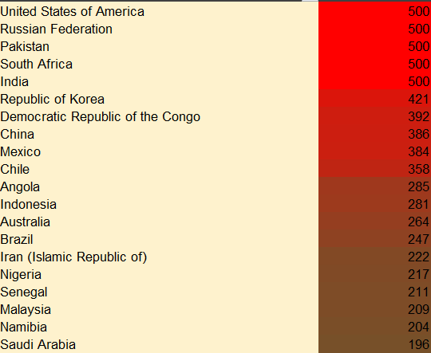
What is the MAX AQI Value by Country? arrange in dessending order. |  |  | Which regions (latitude/longitude) are at the highest risk based on Ozone AQI values(Show Top 20)?
 | What is the average CO AQI value by city all over the county and how does it compare to Ozone or PM2.5 values?
 | Average of CO AQI Value | Average of Ozone AQI Value | Average of PM2.5 AQI Value
Kabul | 0 | 41 | 64
Taywarah | 0 | 39 | 62
Zaranj | 1 | 46 | 133

What is the most common AQI category across all countrys?
 | Total
Chile | 2
China | 1
Democratic Republic of the Congo | 2
India | 41
Mexico | 3
Pakistan | 6
Republic of Korea | 1
Russian Federation | 1
South Africa | 2
United States of America | 3
 |  | Which country has the highest percentage of cities with "Unhealthy" or "Hazardous" AQI categories(20 countries)?
 | Total
India | 364
China | 147
Pakistan | 84
Mexico | 44
Philippines | 32
United States of America | 26
Brazil | 25
South Africa | 24
Chile | 20
Indonesia | 14
 |  |  |  | Identify the top 10 cities with the highest PM 2.5 release in environment all over the world.
 | Total
Sardulgarh | 500
Nohar | 500
Boksburg | 500
Durango | 500
Pokaran | 500
Hasanpur | 500
Jalalabad | 500
Malaut | 487
Tynda | 475
Ratangarh | 471

